Sheet1
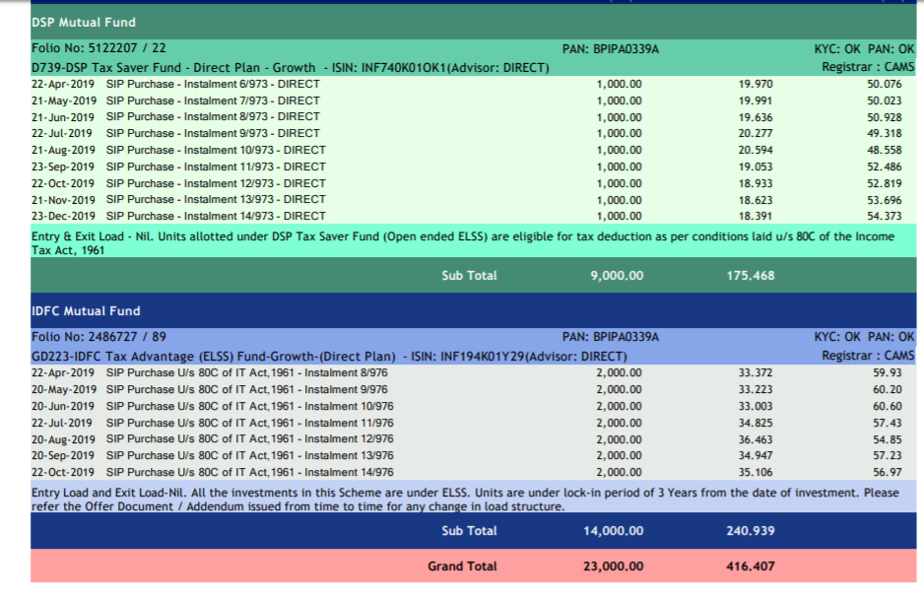
 | Till Now | Jan | Feb | Mar
idfc | 14000 | 0 | 0 | 0
dsp | 9000 | 1000 | 1000 | 1000

axis | 1000 | 500 | 500 | 500
tata | 20000 | 0 | 2000 | 2000

pf ericsson | 9653
 | 6435
 | 6435 | 6435 | 6435 | 6435
UHG | 15179
 |  |  |  |  | 109507
 |  |  |  |  | 150000
 |  |  |  |  | 40493

